Figures
Figure 1: Falcon Heavy Launch Vehicle Fairing |  | Figure 2: Mass of Payload vs. C3 Values | Figure 3: Power Block Diagram
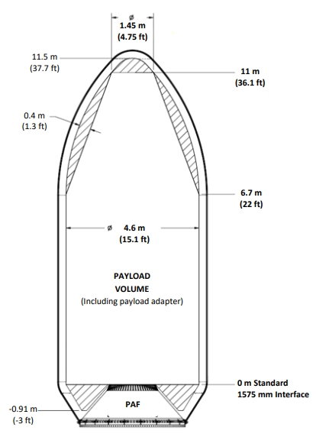
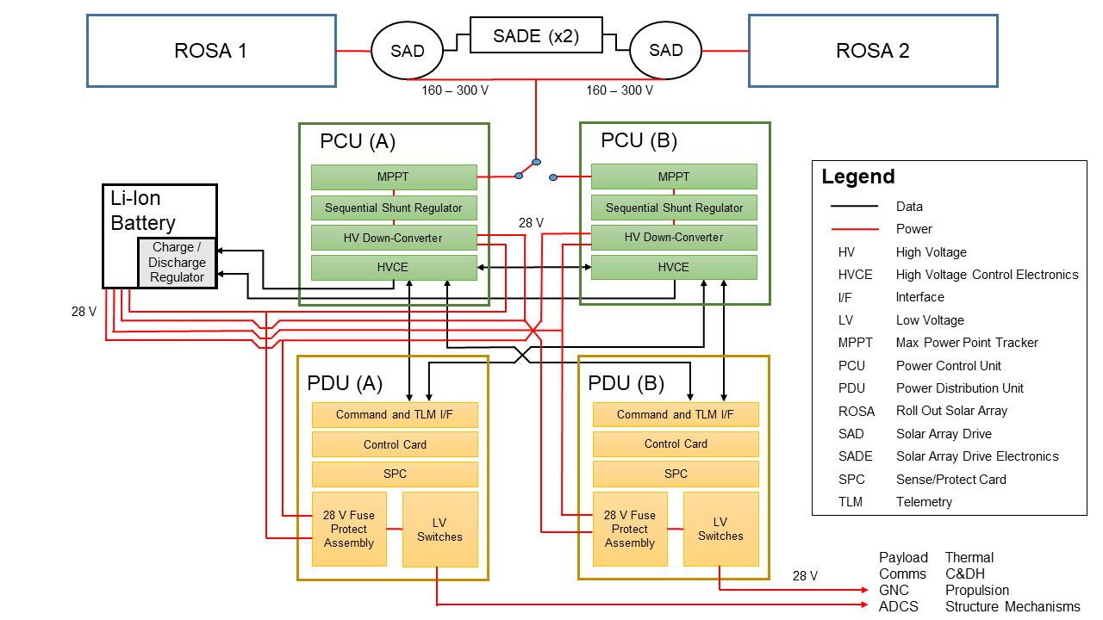

 |  | Source:

Source: | Falcon Heavy User Guide [Figure 5-1]

